Application
4/01/24 Last Update
State of Vermont Hazard Mitigation Grant Program Application
Important: Please submit an unsigned Excel Copy and signed PDF Copy of this Application.
 |  | FEMA- DR- |  | VT | Date Submitted to VEM:
Part 1: |  | Subapplicant Information & Project Information
Subapplicant Entity Name:
Subapplicant Entity Type: (e.g., local government, state agency, regional planning commission, special district, non-profit)
Federal Tax ID #/EIN |  |  |  | UEI # |  |  | Fiscal Year (Start-End)
County:
US Congressional District: |  | At Large/1

Project Overview
Project Title (Include Activity & Location - e.g., "123 Main Street Burlington Elevation")
Mitigation Activity Type: (e.g., Planning, Floodplain Restoration, Soil Stabilization, Buyout, Elevation) |  |  |  |  |  | Hazard/s Being Mitigated? (e.g., flood, wind, landslide, power outage, etc.)
Is Project a Phased Project |  | Yes | No | Phased Projects require additional design or analysis to be evaluated prior to being awarded construction funding. Phase 1 is for data collection, engineering analysis, design, environmental/historic preservation, permitting, final cost-estimation, and BCA refinement. Non-Phased projects generally have 30%+ design drawings.
Has project been previously submitted under another federal program? (Y/N) |  | Yes | No | If Yes, please explain:
Address(es) being mitigated:

Primary Contact Information
Name:
Title:
Organization:
Mailing Address:
Work Phone Number: |  |  |  |  |  | Backup Phone #:
Email

Secondary Contact Information
Name:
Title:
Organization:
Mailing Address:
Work Phone Number: |  |  |  |  |  | Backup Phone #:
Email

Fiscal Agent Contact Information
Name:
Title:
Organization:
Mailing Address:
Work Phone Number: |  |  |  |  |  | Backup Phone #:
Email
Part 2: |  | Local Plan Compliance
Do you have a current Local Emergency Operations Plan on file with your Regional Planning Commission? If you are unsure, you can find out here under ERAF Summary Sheet: http://floodready.vermont.gov/assessment/community_reports |  |  |  |  |  |  |  |  |  | Yes | No

Has the municipality adopted bylaws to accomplish any or all of the following: (not required) |  |  | 1. Limit new encroachments in Flood Hazard Areas? |  |  |  |  |  |  | Yes | No
 |  |  | 2. Limit new encroachments in River Corridors? |  |  |  |  |  |  | Yes | No
 |  |  | 3. Adopt regulations to reduce vulnerability to other natural (non-flood) hazards? |  |  |  |  |  |  | Yes | No
Does Town Have a Currently Approved Local Hazard Mitigation Plan (LHMP)? |  |  |  |  |  |  |  |  |  | Yes | No
If Yes: |  |  |  |  |  | If No:
Name of LHMP (if applicable): (Regional, County or Town) |  |  |  |  |  | Town Commits to Securing a FEMA-Approved LHMP Within 12 Months of HMGP Submittal to FEMA. |  |  |  |  | Yes
Expiration Date of the LHMP (if applicable):
Is Project Supported by LHMP (if applicable)? If so, how? Please provide references and where this can be found in your plan.
Describe any (if applicable) measures taken by subapplicant to reduce vulnerability (e.g., adopt regulations to reduce vulnerability to other natural hazards, studied the site, etc.).
Is Project Supported by State Hazard Mitigation Plan? If so, how? Please provide references. |  |  | Below are Examples: For Buyouts include: "The State plan identifies buyouts as a top mitigation action for inundation flood and fluvial erosion, the State’s highest ranked hazards.” For Other Flooding include: “The State identifies flooding as among it's top highest ranked hazards and notes that [elevation/floodproofing/floodplain restoration/transportation resilience] is one of the most common project types the State has sought FEMA funding for.”
Part 3: |  | Problem Description
Project Objective (What will your project fix?)

Problem Description: (What's happening? Who and what is impacted? What hazard(s) is/are causing the issue? Also, describe any prior actions taken to remedy, study, or alleviate the problem, and their results.)

Location(s) of Project: (Note: For multiple properties, please complete tabs "PSI - Primary" and (if applicable) "PSI - Alternates" and write "see PSI tabs") |  |  |  | Latitude: (e.g. 44.330516): |  |  |  | Longitude (e.g. -72.720901):
Are Structure(s) considered Critical Facilities? If so what kind (e.g., Fire House, Police Station, Emergency Operations Center, Hospital)? List all.
Are facility/ies located within the Special Flood Hazard Area (SFHA), aka the 100 year flood zone? (Check Y/N), provide backup documentation |  |  |  |  |  |  |  |  |  | Yes | No
If in the SFHA, what are the source(s) of the flooding? Be specific to waterbody/source.
Have the facility/ies been determined to be "Substantially Damaged" by a local building official in a recent event? (Check Y/N), provide backup documentation, if available. |  |  |  |  |  |  |  |  |  | Yes | No
Notes:
Has their been any public involvement regarding the planned scope of work? If so, please describe.
History of Damages
Year/Mo | Event Name/Type |  | Description of Indirect Damages |  |  | Description of Indirect Damages |  |  | Records? Y/N | Cost of Damage

Attachment Names/ Notes for Damages |  |  |  |  |  |  |  |  | Total Damage | $0.00
Part 4: |  | Analysis of Alternative Solutions
Alternative Solutions
Alternative Solutions |  | Brief Title |  |  | Description of Alternative
1 (Preferred Alternative) |  |  |  |  | Impact/ Details:
2 (Alternate Solution): |  |  |  |  | Impact/ Details:
3 (No Action) |  | No Action |  |  | Impact/ Details:
Justification for Preferred Alternative:
Please attach supporting documentation for alternatives analysis, if available.
Part 5: |  | Scope of Work (Preferred Alternative)
Scope of Work (Please add as much detail as possible, including: goal of project, steps to complete the task from beginning to end, project specifications, addresses, dimensions, etc. Please provide a separate attached detailed scope of work. Please also align to the schedule activities below. |  | Goal(s) of Project: Steps: A. Pre-Award: List any application development tasks (design, engineering, benefit cost analysis, etc.) that were completed prior to submission to FEMA and that are requested to be reimbursed. Remove if not requested. 1. Subgrant Agreement: Contracting process between State and Subapplicant after project is awarded. 2. Pre-Construction: List any tasks that need to be completed before beginning construction (e.g., procurement, design, engineering, permitting, EHP, BCA) 3. Construction: List tasks and specifications for construction stage of project (e.g., procurement, construction management, demolition/construction, inspection) 4. Post-Construction: List tasks and technical requirements for the project type that occur after construction and before grant closeout (e.g., as-built designs, elevation certificates, deed restrictions, photo documentation, certification of design) 5. Grant Closeout: Final financial documentation and reporting for grant to be closed after all scope of work items are completed.

Expected Life of Project (see "Project Useful Life" tab for FEMA-Approved Ranges). If Standard Value not used, please provide justification / backup.
What is the mitigation design level for the proposed mitigation activity (e.g., 100-year flood, 50 years prior to landslide failure)? Please provide backup documentation from engineer, if available. Note: All projects except for property acquisition should respond.
What are the residual risks that will remain after the project is implemented? What happens when the mitigation design level is exceeded and what damage costs should be assumed? Note: All projects except for property acquisition have residual risk.
Who will be implementing and managing the project (e.g., Town, Property Owner, etc.)?
Describe construction services to be used to implement project (e.g., earthwork, demolition, masonry, grading, planting, etc.).
What entity will do long-term maintenance after project is implemented? How much is the estimated annual maintenance cost?
Environmental Review (Required for all Projects)
Will any trees or vegetation be removed? |  | No | Yes | Unsure | If yes, how many of each species? Provide map to support and photos of plants.
For any trees removed, please describe the method of removal (e.g., flush cut, root ball removal, etc.).
Will there be any ground disturbance? |  | No | Yes | Unsure | If yes, describe the location and dimensions (area, volume, depth) and depict area of disturbance on an aerial map/image.
Describe construction staging plans (location, approximate dimensions) and provide an aerial map outlining the staging area.
Please describe any known threatened or endangered species or critical habitat present in the area affected by the project.
Project Timeline (for the Preferred Alternative)
Note: If items are consecutive, the Start Month of the next task should always follow after the End Month of the prior task. See below.
Task Description |  |  |  |  |  | If phased: Phase 1 or 2? (otherwise leave blank) | Start Month | End Month | Duration of Task | UNIT
Subgrant Agreement (contracting process between State and Subapplicant) |  |  |  |  |  |  | 1 | 3 | 3 | Months
Pre-Construction (e.g., procurement, design, engineering, permitting, EHP, BCA) |  |  |  |  |  |  | 4 |  |  | Months
Construction* (e.g., procurement, construction management, demolition/construction, inspection) |  |  |  |  |  |  |  |  |  | Months
Post-Construction (e.g., as-built designs, elevation certificates, deed restrictions, photo documentation, certification of design) |  |  |  |  |  |  |  |  |  | Months
Grant Closeout (e.g., financial documentation, reporting, etc.) |  |  |  |  |  |  |  |  | 3 | Months
 |  |  |  |  |  |  |  |  |  | Months
 |  |  |  |  |  |  |  |  |  | Months
End Month |  |  |  |  |  |  |  |  |  | Months
More detailed schedule should also be attached (e.g., GANTT charts or other scheduling tools). Note: Each item above should be listed also in your Scope of Work.
*Note to FEMA: Due to seasonal weather impacts, demolition and construction outside generally cannot begin until May in Vermont and often cannot continue into November. Based on the time of the year that projects are awarded, this will impact when construction will begin, so there may be longer construction timelines than stated above.
Please state any additional variables impacting schedule (e.g., procurement lead times for equipment).
Part 6: |  | Project Costs (for the Preferred Alternative)
Cost Item (add details |  |  |  |  |  | Pre/Post-Award | Category (drop-down) |  |  | Cost Estimate
Pre-Award (e.g., design, elevation certificates, engineering analysis, benefit cost analysis, EHP coordination) |  |  |  |  |  | Pre-Award
Pre-Construction (e.g., procurement, design, engineering, permitting, EHP, BCA) |  |  |  |  |  | Post-Award
Construction (e.g., procurement, construction management, demolition/construction, inspection) |  |  |  |  |  | Post-Award
Post-Construction (e.g., as-built designs, elevation certificates, deed restrictions, photo documentation, certification of design) |  |  |  |  |  | Post-Award

Note: Please provide separately professional estimate(s) and/or a budget narrative to support cost estimates. Additionally, there should be alignment between the schedule, project costs, and scope of work. |  |  |  |  |  |  |  |  | Total Project Costs | $0.00
Total Project Costs & Cost Share
Please note, if project is awarded, the subgrantee will be required to submit monthly financial and quarterly programmatic reports.
A |  | 100% | Total Project Costs |  |  | (Total of FEMA Share + Non-Federal Share) |  |  | $0.00
B |  | 75% | FEMA Share |  |  | (Up to 75% of Total Project Costs) |  |  | $0.00
C |  | 25% | Non-Federal Share |  |  | (Up to 25% of Total Project Costs) |  |  | $0.00
Do you want Management Costs (you are eligible for up to 5% of Total Project Costs)? |  |  |  | No | Yes | Please note, if requesting Management Costs, please click here and fill out the "Sub Management Costs Application"
D |  | 5% | Management Costs (Optional) |  |  | (Up to 5% of Total Project Costs for Grant Management and Grant Application.) |  |  | $0.00
Non-Federal Match
Source of non-federal match (cash and/or in-kind): |  |  | Amount ($) |  |  | % of Non-Fed Share (auto populates when Amount is entered) |  |  | Date Available (Month/Year)
 |  |  |  |  |  | #DIV/0!
 |  |  |  |  |  | #DIV/0!
 |  |  |  |  |  | #DIV/0!
Total of Non-Federal Share |  |  | $- |  |  | #DIV/0!
Part 7: |  | Additional Application Documentation Checklist
Required Application Forms (Attach with Application)
 |  |  | Activity Type (Only forms with check boxes are required)
Name of Form |  |  | Planning & 5% Projects |  |  | Infrastructure Projects |  | Structural Elevation, Mitigation Reconstruction, Floodproofing |  | Acquisition Projects
Historic Preservation Project Review Cover Form |  |  | N/A
Assurances and Certifications, Form 20-16 A, B, C
Match Commitment Letter
Sub Management Costs Application (if Requested)
Maintenance Agreement |  |  | N/A |  |  |  |  | N/A
Digital Photos of Project Site/Area |  |  | N/A
Application for Federal Assistance - SF424
SF-424A Budget Information - Non-Construction Programs |  |  |  |  |  | Only If Phased |  | Only If Phased
Budget Narrative (Describe all costs, provide source of estimates, and align to SOW)
SF-424C Budget Information - Construction Programs |  |  | N/A |  |  | Only If Non-Phased |  | Only If Non-Phased
VT - Project Environmental and Historic Preservation Review Form |  |  | N/A
Detailed Scope of Work & Corresponding Detailed Schedule
FEMA Model Deed Restriction |  |  | N/A |  |  | N/A |  | N/A
Hazardous Materials Survey |  |  | N/A |  |  | N/A |  | N/A
Duplication of Benefits Affidavit |  |  | N/A |  |  | N/A |  | N/A
Property Site Inventory (see tabs "PSI - Primary" and (if applicable) "PSI - Alternates") |  |  | N/A |  |  | If Multiple Properties
Acknowledgement of Conditions |  |  | N/A |  |  | N/A |  |  |  | N/A
Consent for Release of Home-Property Address |  |  | N/A |  |  | N/A
FEMA Model Statement of Assurances for Property Acquisition |  |  | N/A |  |  | N/A |  | N/A
Tax/Lister Card of Buildings in Project (Showing Year Built, Assessed Value) |  |  | N/A
Statement of Voluntary Participation |  |  | N/A |  |  | N/A |  | N/A
Maps: Clearly Mark Project Location & Identify Adjacent Roads and Bodies of Water)
Flood Insurance Rate Map (FIRM) with panel number |  |  | N/A
Topographic Map (e.g., ANR Atlas) |  |  | N/A
Parcel Map (e.g., ANR Atlas) |  |  | N/A |  |  | N/A
Aerial Map of Project Area outlining project footprint (including Staging Area), areas of ground disturbance, and any trees being removed. |  |  | N/A
Technical Documentation
Statement that Design will be (or is) compliant with ASCE 24, as well as any other building codes or standards that will be followed. |  |  | N/A |  |  | N/A |  |  |  | N/A
Statement that design will be (or is) compliant with Federal Flood Risk Management Standard. |  |  | N/A |  |  | N/A |  |  |  | N/A
Statement that the design will be (or is) in compliance with National Flood Insurance Program (NFIP) standards in 44 CFR Part 60.3 |  |  | N/A |  |  | N/A |  |  |  | N/A
Certification by qualified professional that project is feasible and documentation of evaluation demonstrating feasibility. |  |  | N/A |  |  | N/A |  | If non-phased |  | N/A
Designs (can be Conceptual in Nature) |  |  | N/A |  |  | If non-phased |  | If non-phased |  | N/A
Elevation of Proposed Floodproofing/Elevation of Structure in relation to Base Flood Elevation |  |  | N/A |  |  | N/A |  |  |  | N/A
Cost Effectiveness
 |  |  | Activity Type (Only forms with check boxes are required)
 |  |  | Planning | 5% Projects | Infrastructure Projects |  | Structural Elevation / Mitigation Recon. |  | Acquisition & Relocation Projects
Name of Form |  |  | No BCA | BCA Narrative | Full BCA |  | BCA Exemption: Project is in SFHA and Costs Less Than $228,000 | Full BCA | Full BCA | Acquisitions with BCA Exemption: Substantial Damage | BCA Exemption: Project is in SFHA and Costs Less Than $360,000
Benefit-Cost Analysis (BCA) in FEMA BCA Toolkit with Supporting Documentation. Note BCA's should either have a BCA Memo (explaining assumptions made and data used) or add comments in Toolkit referencing documentation. |  |  | N/A | N/A |  |  | N/A |  |  | N/A | N/A
Substantial Damage Letter |  |  | N/A | N/A | N/A |  | N/A | N/A | N/A |  | N/A
Budget Showing Total Project Costs Less Than $228,000 (Elevation/Mit. Recon.) or $360,000 (Acquisition) |  |  | N/A | N/A | N/A |  |  | N/A | N/A | N/A
FIRM Showing Project is in SFHA |  |  | N/A | N/A | N/A |  | THIS | N/A | N/A |  | THIS
Elevation Data Showing FFE is near or below BFE |  |  | N/A | N/A | N/A |  | OR THIS | N/A | N/A | N/A | OR THIS
A narrative description of the project’s cost effectiveness in lieu of a conventional benefit-cost analysis. |  |  | N/A |  | N/A |  | N/A | N/A | N/A | N/A | N/A
A brief explanation of whether there is a reasonable expectation that future damage or loss of life and injury will be significantly reduced or prevented by the activity. |  |  | N/A |  | N/A |  | N/A | N/A | N/A | N/A | N/A
Other Supporting Documentation (Only Include if Applicable to Project)
 | Site Plan, including equipment staging location, mitigation action footprint, and land-use type on and near the project site.
 | Permit or Certification of No Permit needed (only if project is ready for construction upon award)
 | Engineering Information to Support Project Design (Hydrology and Hydraulics Analysis, Project Design Description, Alternatives Analysis, etc.)
 | Letter from Professional Engineer certifying design conforms with American Society of Civil Engineers (ASCE) publication 24-14 requirements (or equivalent) (Floodproofing, Elevations, Mitigation Reconstruction)
 | Inspection by a qualified professional on structure elevation or relocation feasibility (Structural Elevations, Relocations)
 | Elevation Certificate (Structural Elevations, Floodproofing)
 | Endorsement of Project Design From the Local VTrans District Technician or ANR Stream Alteration Engineer (e.g. Floodplain restoration, Culverts/Roads, etc.)
 | Substantial Damage Determination by qualified official (especially relevant to Mitigation Reconstruction and Buyouts)
 | Confirmation From the Local ANR Stream Alteration Engineer or ANR Floodplain Manager that the Proposed Project Conforms to No Adverse Impact Standards in the State Flood Hazard Area & River Corridor Rule and the State Stream Alteration Rule
 | Letter(s) of Support (Not Required)
 | Additional Attachments (Please List):
Additional Comments (if any):

Part 8: |  | Authorized Signature
I certify that I am the authorized agent for the applicant and have responsibility for the development and completion of this application and all the information contained herein is true and accurate.

Authorized Agent's Signature / Title |  |  |  |  |  |  |  | Date
Please submit a signed copy of the application and all application materials to: |  |  |  | dps.hazardmitigation@vermont.gov

Important: Please submit an unsigned Excel Copy and signed PDF Copy of this Application.

Project Useful Life
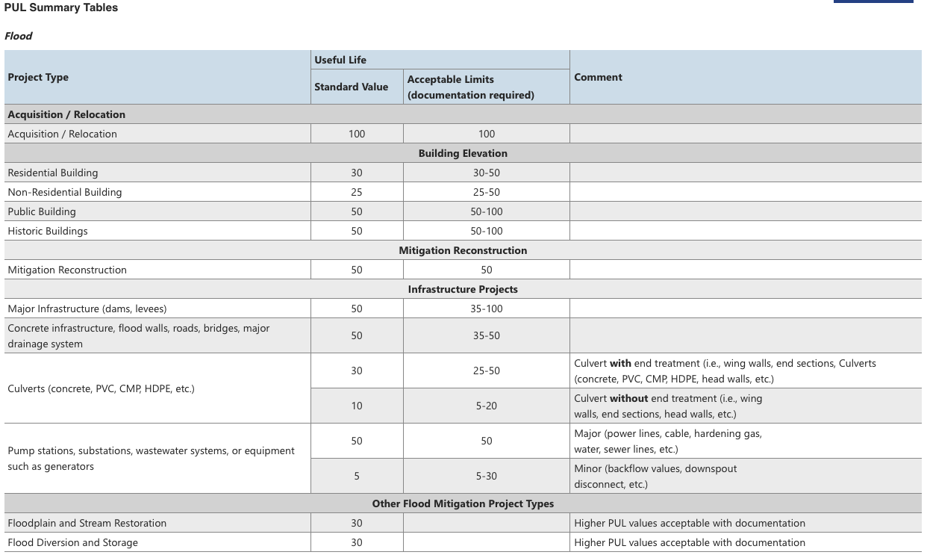
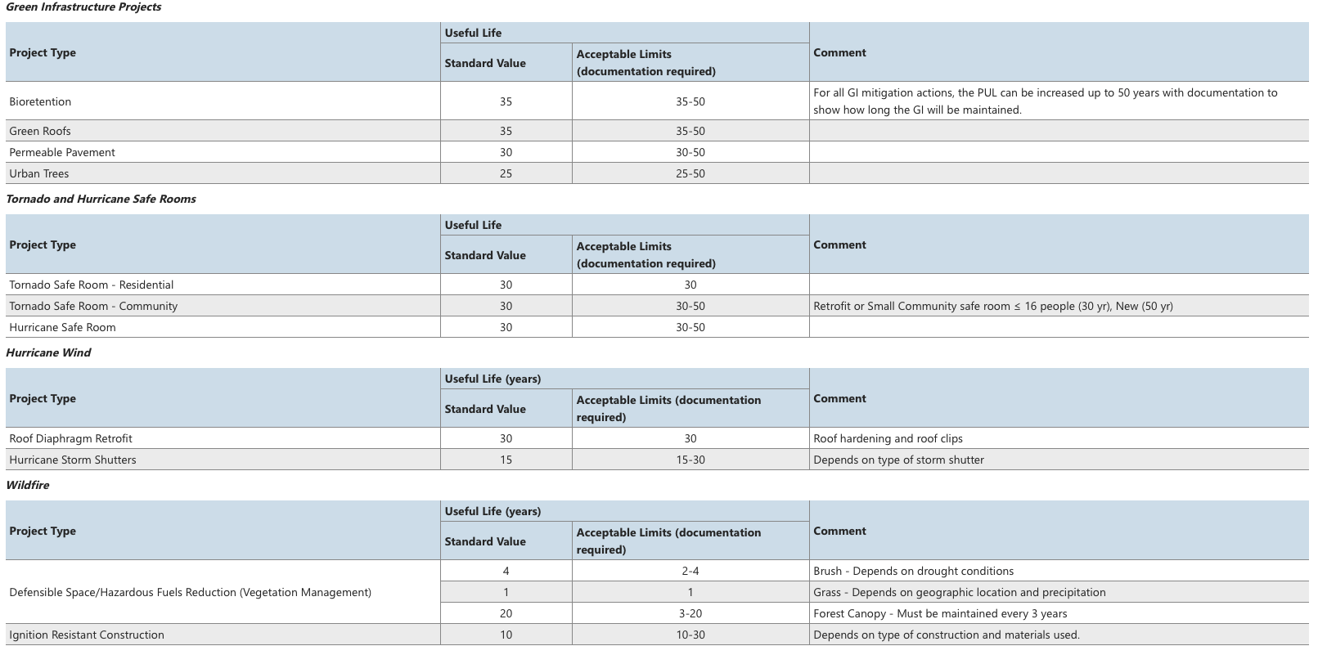
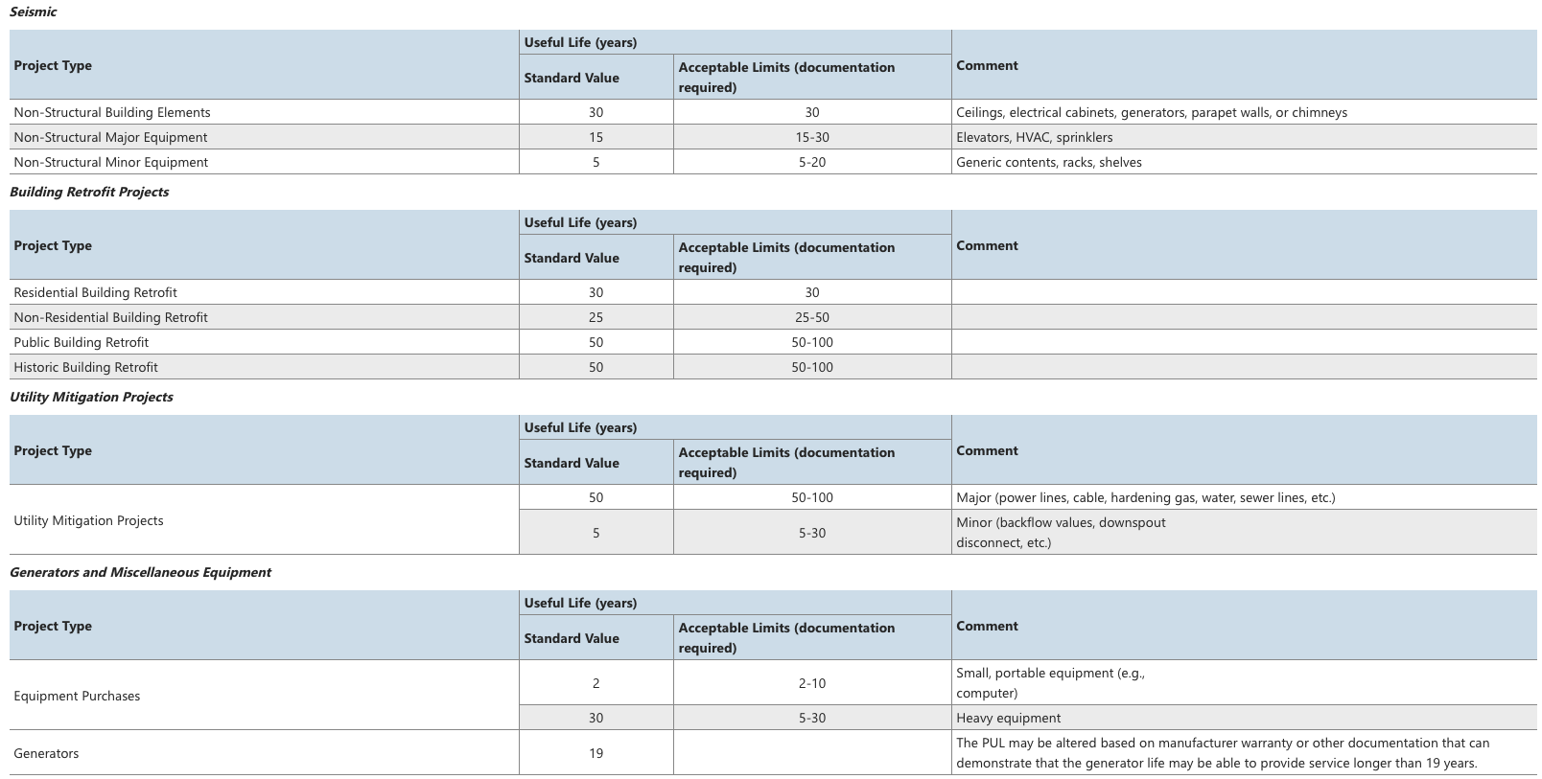
FEMA BCA-Approved Project Useful Lifes by Project Type

